Sheet1
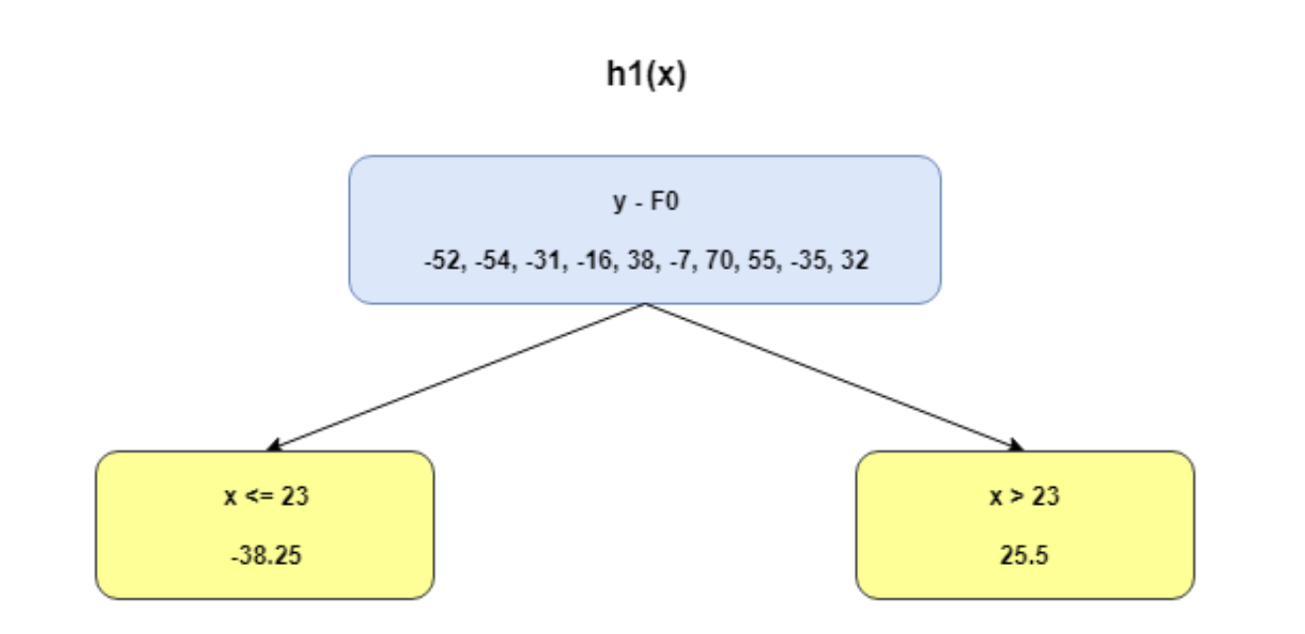
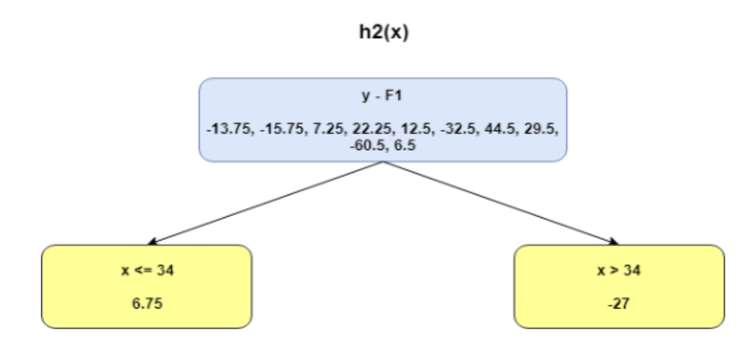
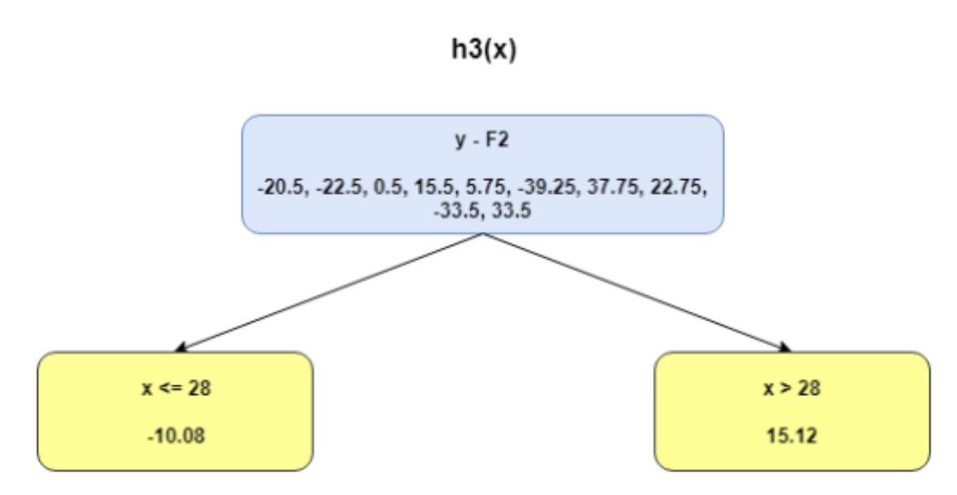
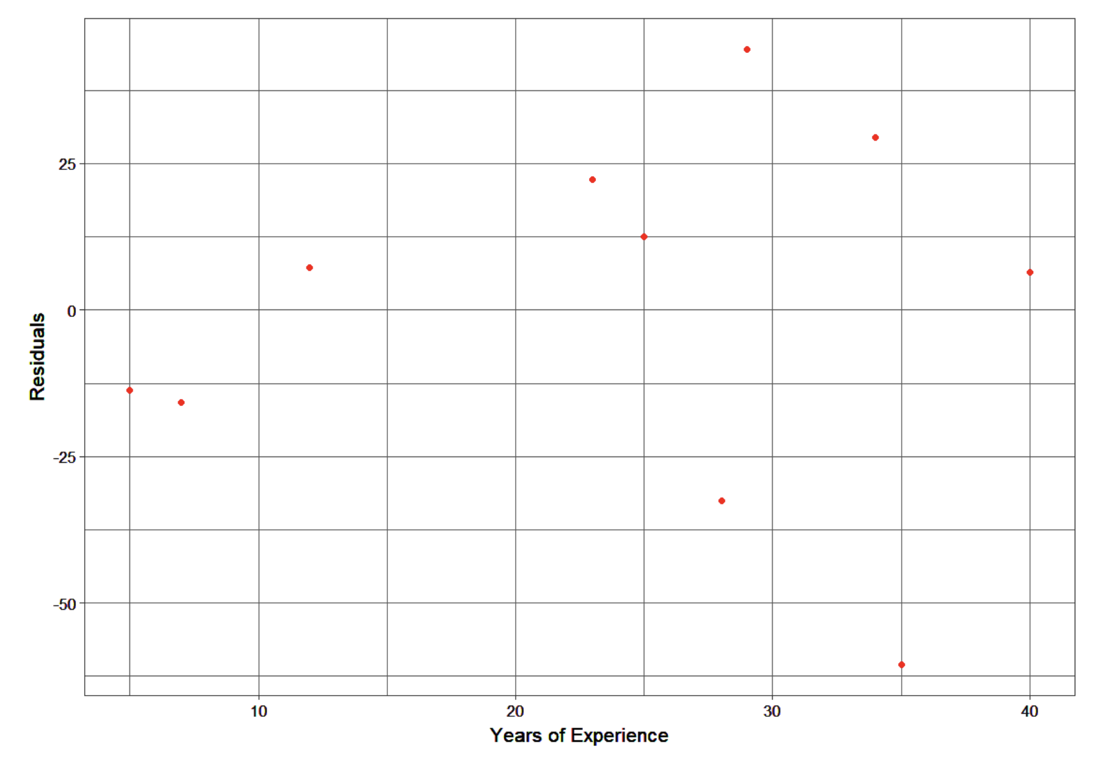
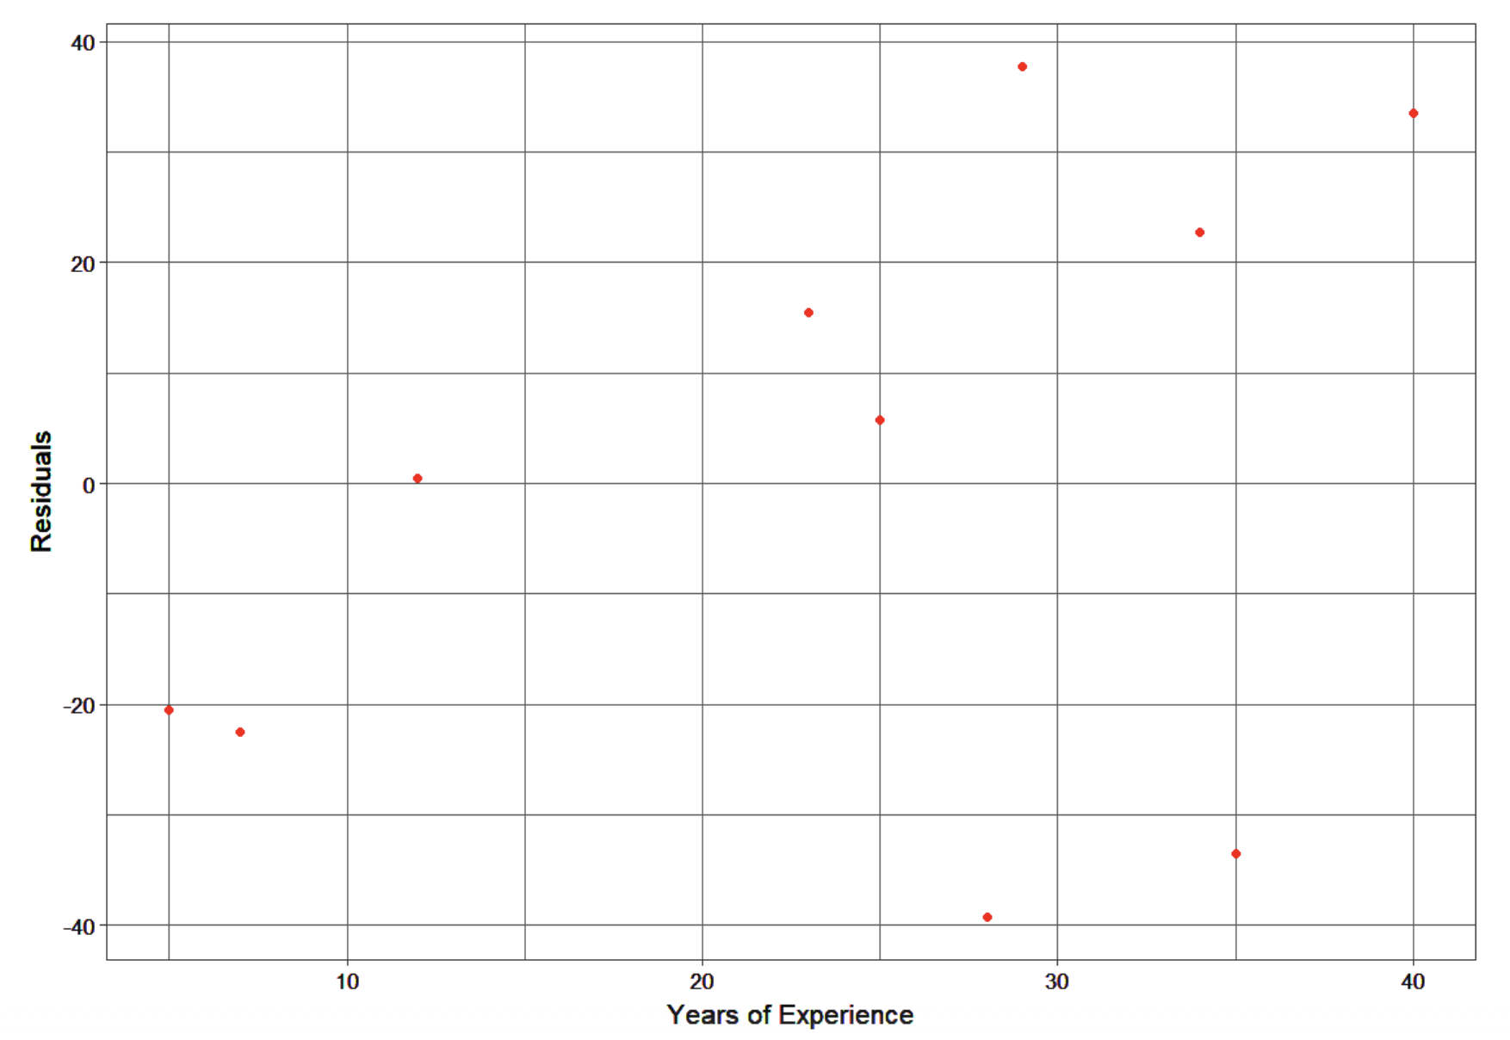
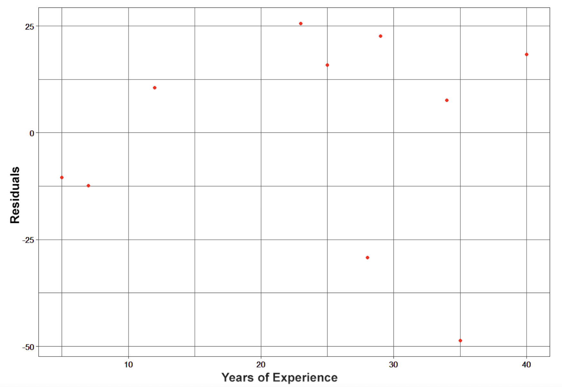
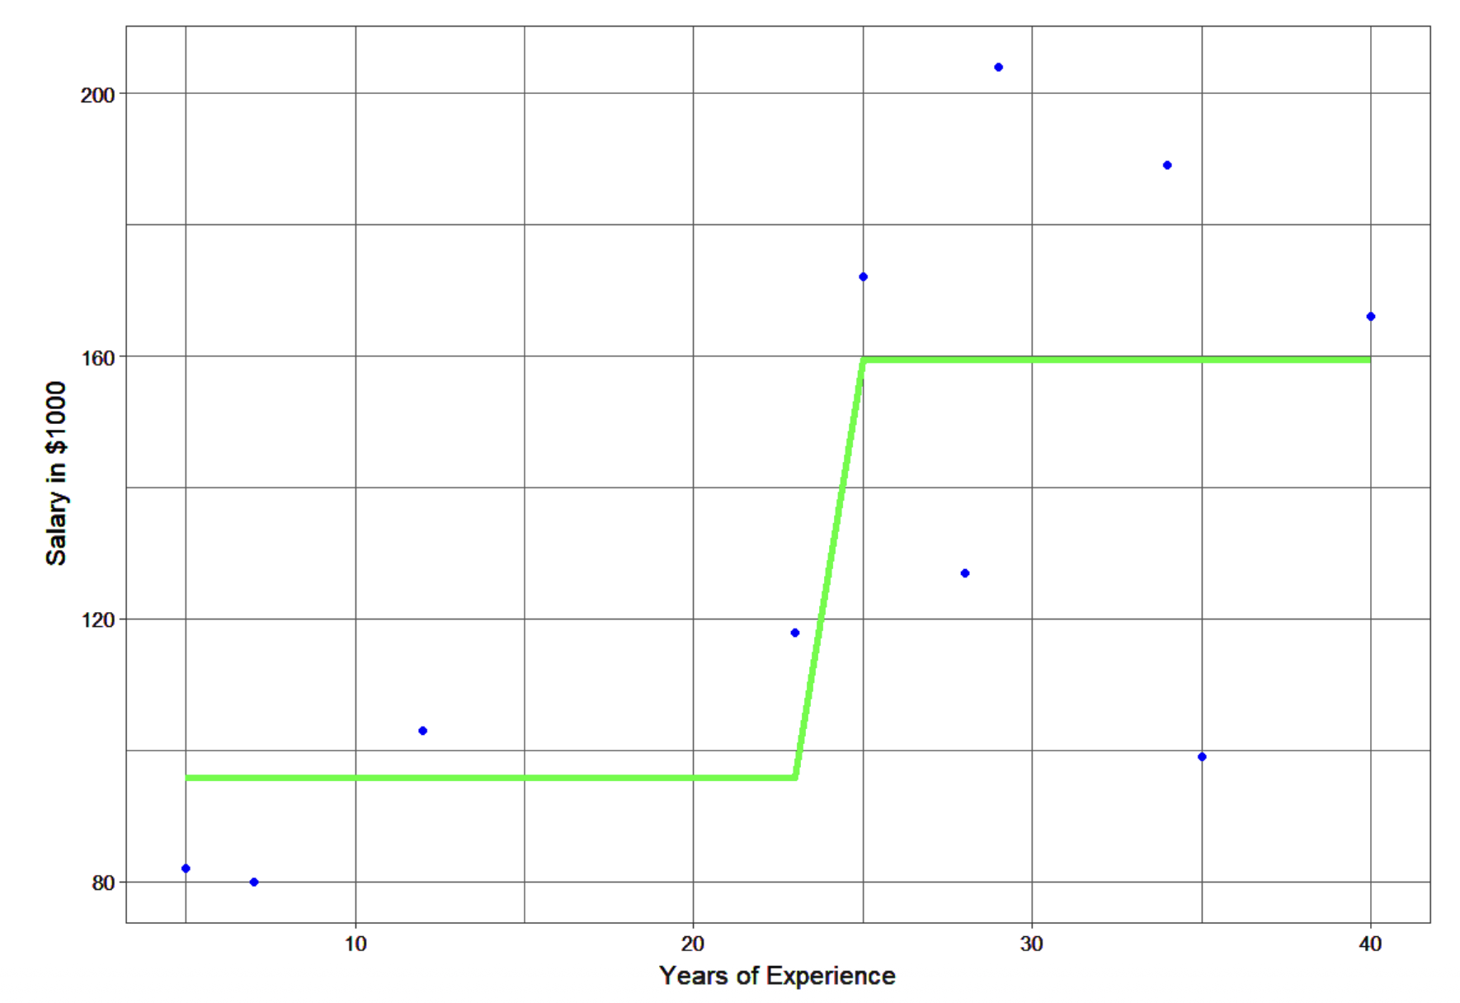
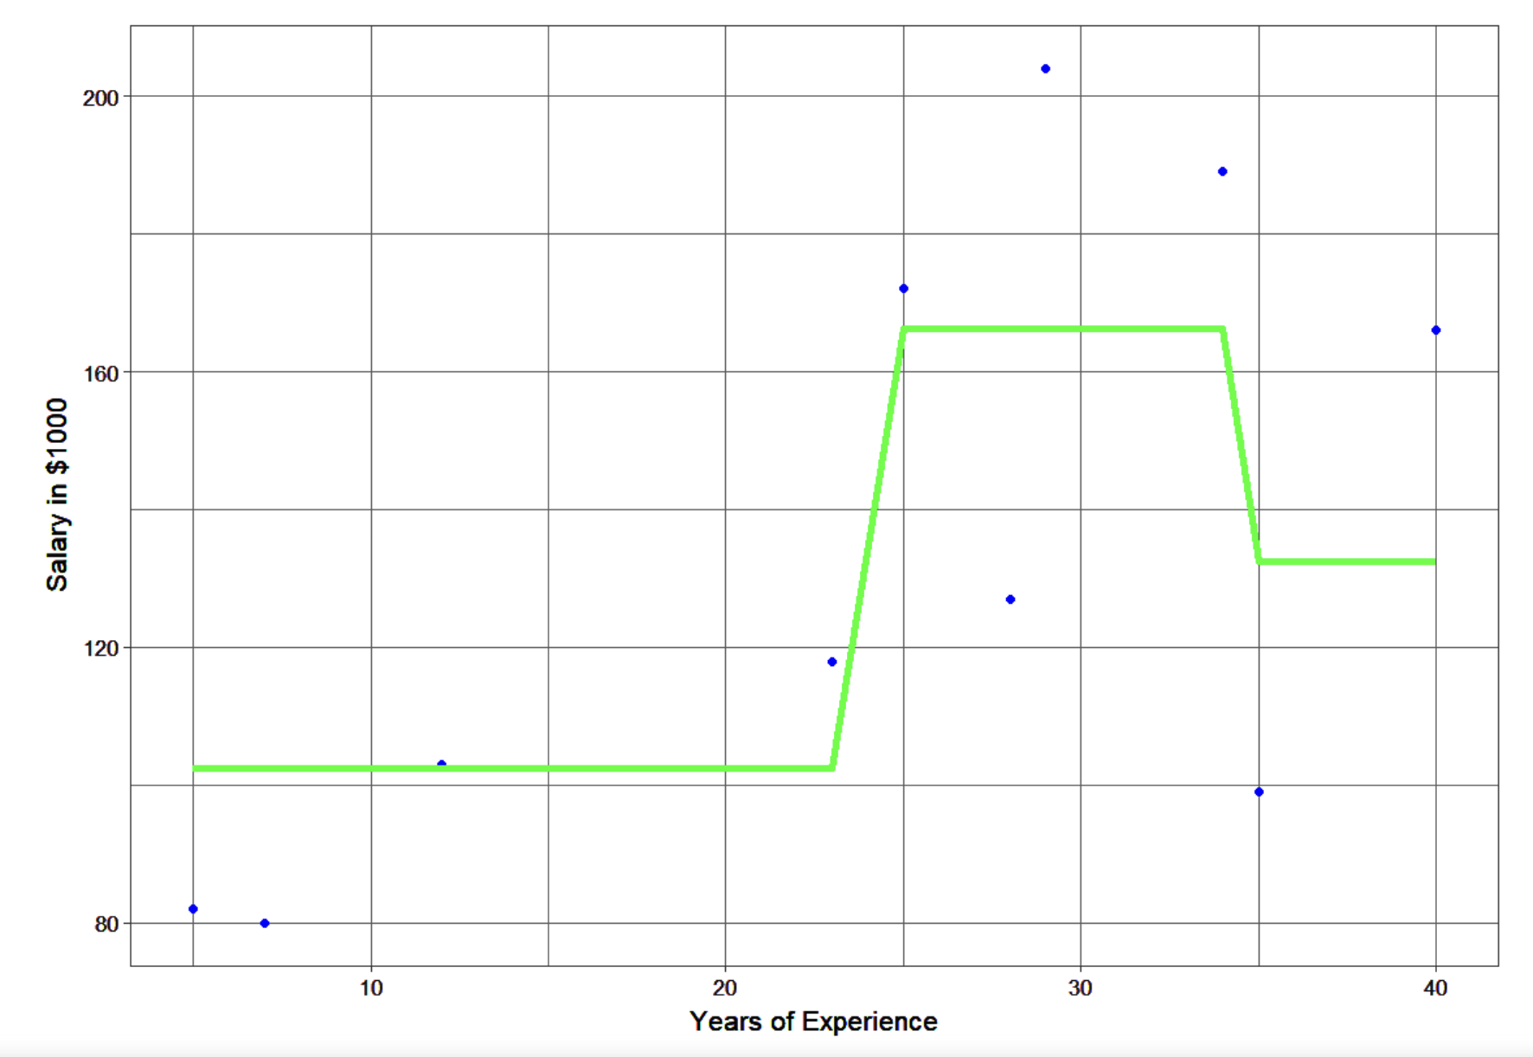
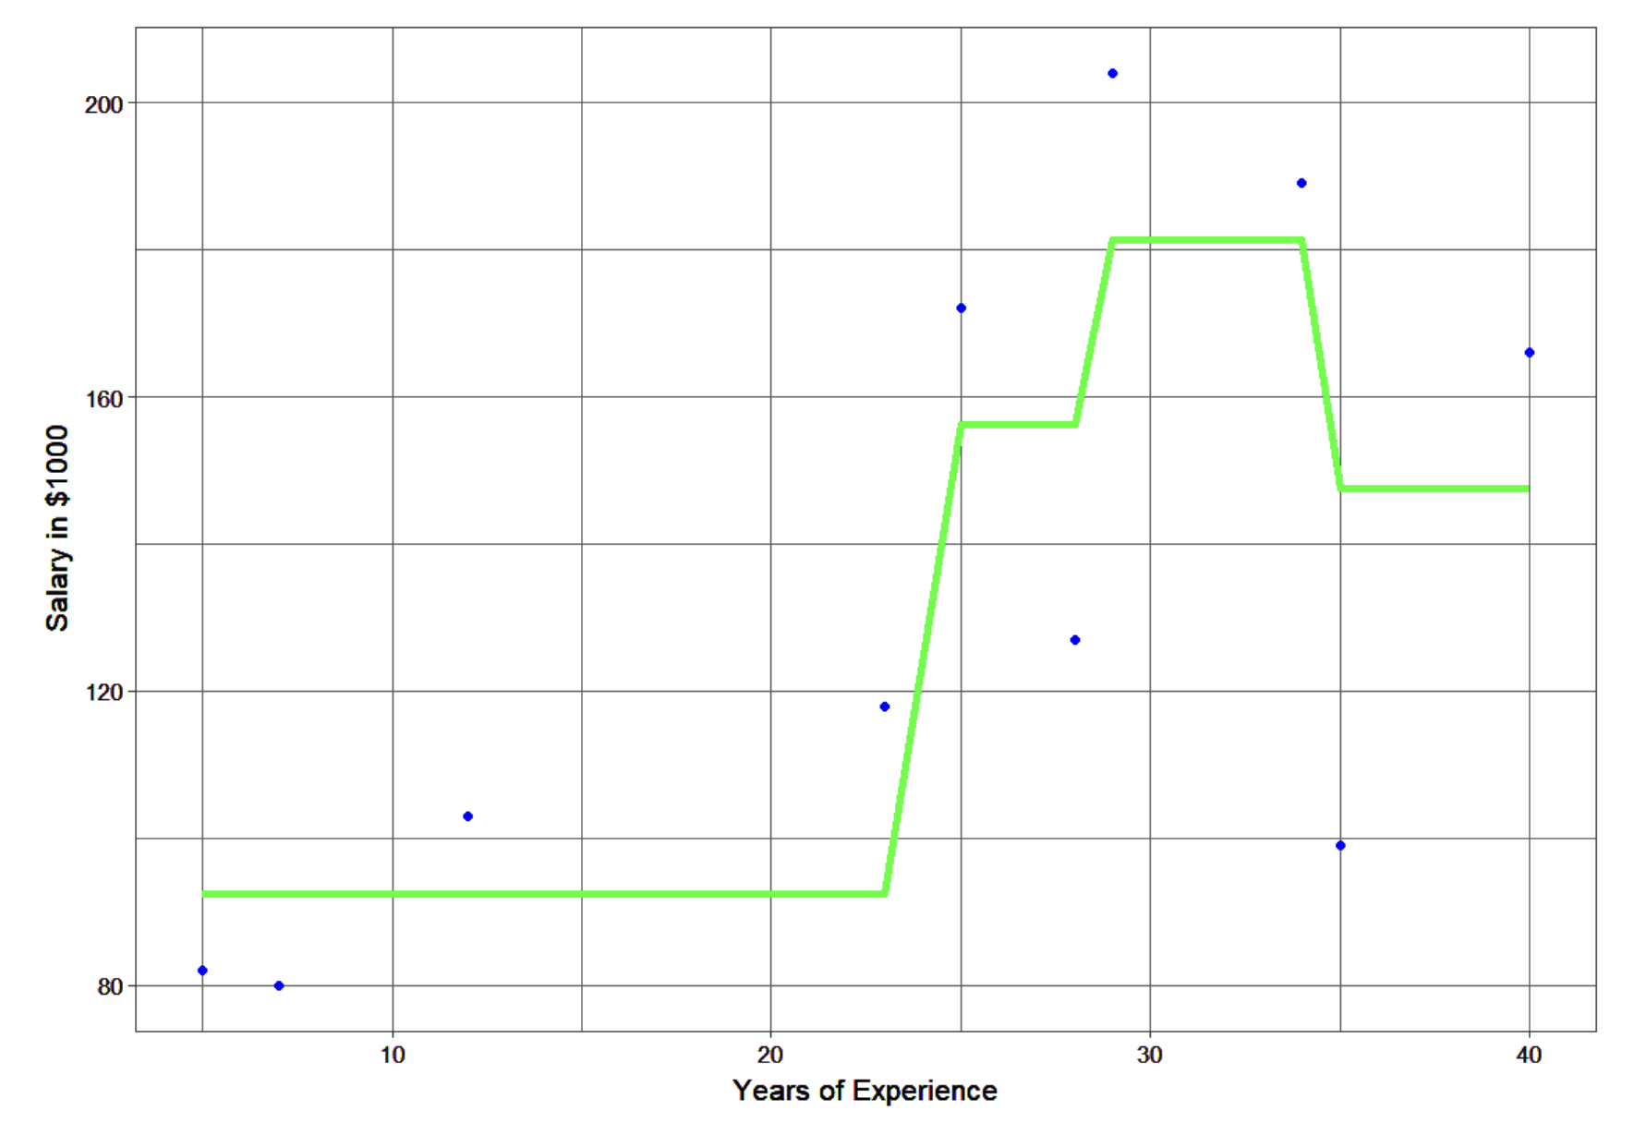
 |  | Tree # | Residual | Prediction
years | salary | F0 | y-F0 | h1 | F1 | y-F1 | h2 | F2 | y-F2 | h3 | F3
5 | 82 | 134 | -52 | -38.25 | 95.75 | -13.75 | 6.75 | 102.5 | -20.5 | -10.08 | 92.42
7 | 80 | 134 | -54 | -38.25 | 95.75 | -15.75 | 6.75 | 102.5 | -22.5 | -10.08 | 92.42
12 | 103 | 134 | -31 | -38.25 | 95.75 | 7.25 | 6.75 | 102.5 | 0.5 | -10.08 | 92.42
23 | 118 | 134 | -16 | -38.25 | 95.75 | 22.25 | 6.75 | 102.5 | 15.5 | -10.08 | 92.42
25 | 172 | 134 | 38 | 25.5 | 159.5 | 12.5 | 6.75 | 166.25 | 5.75 | -10.08 | 156.17
28 | 127 | 134 | -7 | 25.5 | 159.5 | -32.5 | 6.75 | 166.25 | -39.25 | -10.08 | 156.17
29 | 204 | 134 | 70 | 25.5 | 159.5 | 44.5 | 6.75 | 166.25 | 37.75 | 15.12 | 181.37
34 | 189 | 134 | 55 | 25.5 | 159.5 | 29.5 | 6.75 | 166.25 | 22.75 | 15.12 | 181.37
35 | 99 | 134 | -35 | 25.5 | 159.5 | -60.5 | -27 | 132.5 | -33.5 | 15.12 | 147.62
40 | 166 | 134 | 32 | 25.5 | 159.5 | 6.5 | -27 | 132.5 | 33.5 | 15.12 | 147.62

